MAIN_SHEET
Name of Subject :- | Basic Electrical Engineering | DEPT :- | ES&H

Year(FE/SE/TE/BE):- | FE | Subject Code:- | ESC 1102
ACADEMIC YEAR :- | 2024-25 (July - December 2024) | SEMESTER:- | I | Scheme:- | CBCGS-HME 2023
Faculty Incharge:- | Dr. Karuna Nikum
Sr No. | Questions | CO | RBT | Pi | Marks | Type
1 | 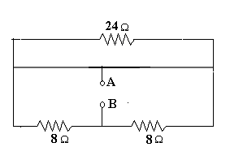 Find the equivalent resistance between terminals A and B. | CO1 | A | 1.3.1 | 2 | N
2 | Find the currents I1 and I2 in the parallel circuit shown below | CO1 | A | 1.3.1 | 2 | N
3 | 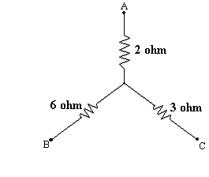 If this star connected resistor is convertored into Delta what will be the value of RAB. | CO1 | A | 1.3.1 | 2 | N
4 | Convert the star connection to delta connection | CO1 | A | 1.3.2 | 2 | N
5 | 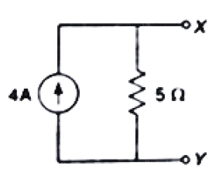 Convert current source to voltage source | CO1 | A | 1.3.1 | 2 | N
6 | 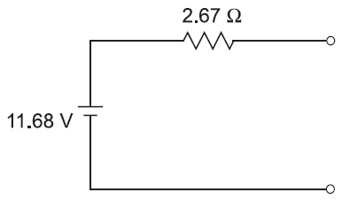 Convert voltage source to current source | CO1 | A | 1.3.1 | 2 | N
7 | Explain KVL | CO1 |  |  | 2
8 | Explain KCL | CO1 |  |  | 2
9 | Write formulae for star to delta conversion | CO1 |  |  | 2
10 | Explain Source Transformation | CO1 |  |  | 2
11 | Determine the value of R1, R2, R3 | CO1 | A | 1.3.1 | 2 | N
12 | Find the equivalent resistance between terminals A and B. | CO1 | A | 1.3.1 | 5 | N
13 | Find the voltage between points A and B. | CO1 | A | 1.3.1 | 5 | N
14 | Find the potential at point e with respect to c (Vce)in the network shown below | CO1 | A | 1.3.1 | 5 | N
15 | 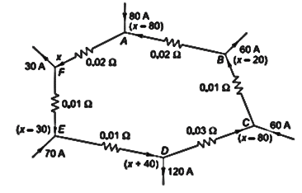 Find current in all branches of the network | CO1 | A | 1.3.1 | 5 | N
16 | Find Ia and Ib in figure | CO1 | A | 1.3.1 | 5 | N
17 | 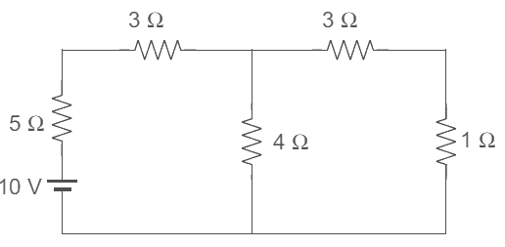 Find the value of current flowing through 1 ohm resistor using Mesh Analysis | CO1 | A | 1.3.1 | 5 | N
18 | Find the value of current flowing through 1 ohm resistor using Mesh Analysis | CO1 | A | 1.3.1 | 5 | N
19 | Find an equivalent resistance between terminals A and B | CO1 | A | 1.3.1 | 5 | N
20 | Find the value of current flowing through 1 Ω resister in the circuit below using Nodal Analysis method. | CO1 | A | 1.3.1 | 5 | N
21 | Find the value of current flowing through 4 Ω resister in the circuit below using Nodal Analysis method. | CO1 | A | 1.3.1 | 5 | N
22 | Find the voltage at nodes 1 and 2. | CO1 | A | 1.3.1 | 5 | N
23 | Find the voltage drop across the 5Ω resistor using Nodal analysis | CO1 | A | 1.3.1 | 10 | N
24 | Determine current in 5 Ω resistor using Mesh Analysis | CO1 | A | 1.3.1 | 10 | N
25 | Determine the current in the 10Ω resistor of the network shown in Fig using Mesh Analysis | CO1 | A | 1.3.1 | 10 | N
26 | 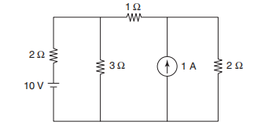 Find the current through the 1 Ω resistor in the network shown in Fig. using Mesh Analysis | CO1 | A | 1.3.1 | 10 | N
27 | Find the value of current flowing in the 15 ohm resistor using Nodal Analysis | CO1 | A | 1.3.1 | 10 | N
28 | Determine the current in the 5 Ω resistor shown in the figure below | CO1 | A | 1.3.1 | 10 | N
29 | Find the current in the 3 Ω resistor of the network shown in Fig | CO1 | A | 1.3.1 | 10 | N
30 | Determine the voltage V which cause the current I1 to be zero , in the circuit below using mesh analysis method. | CO1 | A | 1.3.1 | 10 | N
31 | Find the current through the 4 Ω resistor in the network using Mesh Analysis | CO1 | A | 1.3.1 | 10 | N
32 | 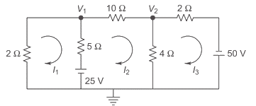 Find the values of currents I1, I2 and I3.using Nodal Analysis | CO1 | A | 1.3.1 | 10 | N
33 | 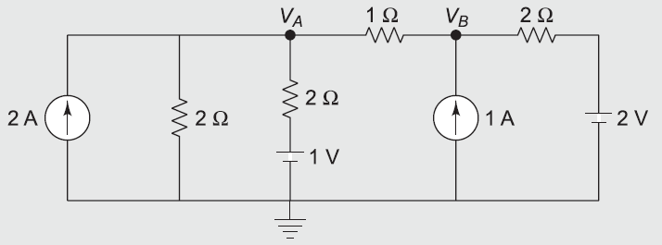 Find VA and VB. | CO1 | A | 1.3.1 | 10 | N
34 | State superposition theorem. | CO2 | R | 1.3.1 | 2 | T
35 | State Thevenin’s theorem | CO2 | R | 1.3.1 | 2 | T
36 | State Norton’s theorem | CO2 | R | 1.3.1 | 2 | T
37 | State the limitation of Thevenin’s theorem. | CO2 | U | 1.3.1 | 2 | T
38 | Draw Thevenin's equivalent circuit | CO2 | U | 1.3.1 | 2 | T
39 | Draw Norton's equivalent circuit | CO2 | U | 1.3.1 | 2 | T
40 | State the limitation of Superposition theorem. | CO2 | U | 1.3.1 | 2 | T
41 | Compare Thevenin's and Norton's theorem. | CO2 | U | 1.3.1 | 2 | T
42 | What is the condition for Maximum Power Transfer Theorem | CO2 | U | 1.3.1 | 2 | T
43 | Write applications of Superposition Theoem | CO2 | U | 1.3.1 | 2 | T
44 | Write applications of Thevenin's Theoem | CO2 | A | 1.3.1 | 2 | T
45 | 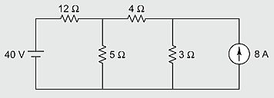 Find the value of current flowing through the 4 ohm resistor using Superpostion Theorem. | CO2 | A | 1.3.1 | 5 | N
46 | Find the value of current flowing through the 8 ohm resistor using Thevenin's Theorem | CO2 | A | 1.3.1 | 5 | N
47 | 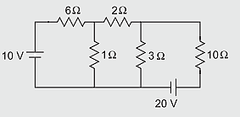 Find the value of thevenins voltage (Vth) across 10 ohm resistor. | CO2 | A | 1.3.1 | 5 | N
48 | 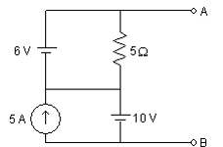 Find the value of Rth and Vth across open terminals | CO2 | A | 1.3.1 | 5 | N
49 | 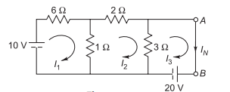 Calculate IN for following circuits. | CO2 | A | 1.3.1 | 5 | N
50 | 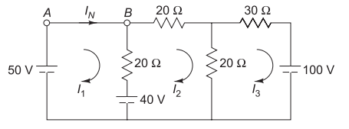 Calculate IN for following circuits. | CO2 | A | 1.3.1 | 5 | N
51 | Explain the various steps for Thevenin's Theorem with circuit diagram | CO2 | A | 1.3.1 | 5 | N
52 | Explain the various steps for Norton's Theorem with circuit diagram | CO2 | A | 1.3.1 | 5 | N
53 | Explain the various steps for Superposition Theorem with circuit diagram | CO2 | A | 1.3.1 | 5 | N
54 | Find the current flowing through 2 Ω in the following circuit with Thevenin’s Theorem | CO2 | A | 1.3.1 | 5 | N
55 | 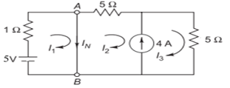 Calculate IN for following circuits. | CO2 | A | 1.3.1 | 5 | N
56 | 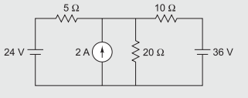 Find the current through the 5 ohm resistor using Superposition Theroram | CO2 | A | 1.3.1 | 10 | N
57 | 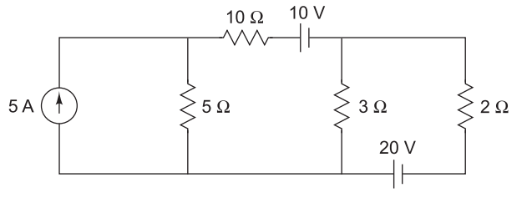 Find the value of current flowing through the 2 ohm resistor using Superposition Theorem | CO2 | A | 1.3.1 | 10 | N
58 | 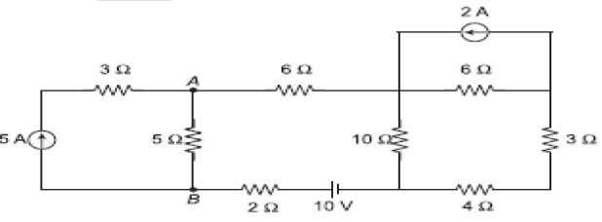 Find the value of current flowing through 5Ω resistor by using superposition theorem | CO2 | A | 1.3.1 | 10 | N
59 | Find the value of current flowing through the 40 ohm resistor using Thevenin's Theorem | CO2 | A | 1.3.1 | 10 | N
60 | Find the value of current flowing through the 2 ohm resistor using Thevenin's Theorem | CO2 | A | 1.3.1 | 10 | N
61 | Find the value of current flowing through the 15 ohm resistor using Norton's Theorem | CO2 | A | 1.3.1 | 10 | N
62 | Find the voltage Vab using the superposition theorem | CO2 | A | 1.3.1 | 10 | N
63 | 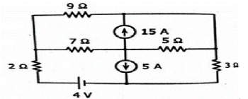 Find the value of current flowing through 3Ω resistor using Superposition Theorem | CO2 | A | 1.3.1 | 10 | N
64 | Find current through 10 ohm resistor using Thevenin’s theorem | CO2 | A | 1.3.1 | 10 | N
65 | For the given circuit find the Norton equivalent between points A and B. | CO2 | A | 1.3.1 | 10 | N
66 | Find the value of current flowing through the 8 ohm resistor Norton's Theorem | CO2 | A | 1.3.1 | 10 | N
67 | What is the phase difference between V1= Vm sin(θ+60˚) and V2= Vm cos(θ-60˚) | CO3 | U | 1.3.1 | 2 | N
68 | A non-sinusoidal voltage has a form factor of 1.2 and peak factor of 1.5. If the average value of the voltage is 10 V, calculate (i) rms value, and (ii) maximum value. | CO3 | R | 1.3.1 | 2 | N
69 | Write four advantages of AC Supply over DC Supply | CO3 | R | 1.3.1 | 2 | T
70 | The voltage equation is given to circuit is v=200Sin314t. Find the value of, rms voltage, & frequency(f). | CO3 | U | 1.3.1 | 2 | N
71 | Define form factor and peak factor. | CO3 | U | 1.3.1 | 2 | T
72 | What is the phase difference between V1= Vm sin(θ+80) and V2= Vm sin(θ-120) | CO3 | U | 1.3.1 | 2 | N
73 | Define frequency and amplitude | CO3 | U | 1.3.1 | 2 | T
74 | Define rms value | CO3 | U | 1.3.1 | 2 | T
75 | Write down the equation for a sinusoidal voltage of 50 Hz and its peak value is 20 V | CO3 | U | 1.3.1 | 2 | T
76 | Define average value | CO3 | U | 1.3.1 | 2 | T
77 | What is the phase difference between V1= Vm sin(θ+60) and V2= Vm sin(θ-120) | CO3 | U | 1.3.1 | 2 | N
78 | What is the phase difference between V1= Vm sin(θ+120) and V2= Vm cos(θ-30) | CO3 | U | 1.3.1 | 2 | N
79 | An alternating voltage is given by v = 141.4 sin 314t. Find (i) frequency, (ii) rms value, (iii)maximum value, (iv) average value, and (v) instantaneous value of voltage, when t is 3 ms. | CO3 | A | 1.3.1 | 5 | N
80 | Find the following parameters of a voltage v = 200 sin 314 t: (i) frequency, (ii) form factor, and (iii) crest factor (iv) maximum value (v) rms value | CO3 | A | 1.3.1 | 5 | N
81 | An alternating current varying sinusoidally with a frequency of 50 c/s has an rms value of 18 A. Write down the equation for the instantaneous value and find this value at (i) 0.0025 s, and (ii) 0.0125 s after passing through zero and increasing positively. (iii) At what time, measured from zero, will the value of the instantaneous current be 14.14 A? | CO3 | A | 1.3.1 | 5 | N
82 | An alternating current of 50 c/s frequency has a maximum value of 125 A. (i) Calculate its value 1/600 second and after the instant the current is zero. (ii) In how many seconds after the zero value will the current attain the value of 86.6 A? | CO3 | A | 1.3.1 | 5 | N
83 | Two sinusoidal currents are given as i1 = 10√2 sin wt, i2 = 20√2 sin (wt + 60°). Find the expression for the sum of these currents. | CO3 | A | 1.3.1 | 5 | N
84 | Find the resultant voltage and its equation for the given voltages. e1 = 20 sin wt, e2 = 30 sin (wt- π/4) and e3= 40 Cos (wt+π/6) | CO3 | A | 1.3.1 | 5 | N
85 | Find the following parameters of a voltage i = 200 sin 314 t: (i) frequency, (ii) form factor, and (iii) crest factor (iv) maximum value (v) rms value | CO3 | A | 1.3.1 | 5 | N
86 | An alternating current varying sinusoidally with a frequency of 50 c/s has an rms value of 20A. Write down the equation for the instantaneous value and find this value at (i) 0.0025 s, and (ii) 0.0125 s after passing through zero and increasing positively. (iii) At what time, measured from zero, will the value of the instantaneous current be 14.14 A? | CO3 | A | 1.3.1 | 5 | N
87 | An alternating current of 50 c/s frequency has a maximum value of 120 A. (i) Calculate its value 1/600 second and after the instant the current is zero. (ii) In how many seconds after the zero value will the current attain the value of 86.6 A? | CO3 | A | 1.3.1 | 5 | N
88 | Find the resultant voltage and its equation for the given voltages. e1 = 20 sin wt, e2 = 30 sin (wt- π/4) and e3= 40 Sin (wt+π/6) | CO3 | A | 1.3.1 | 5 | N
89 | Two sinusoidal voltages are given as v1 = 14.142sin wt, v2 = 28.284sin (wt + 60°). Find the expression for the sum of these voltages. | CO3 | A | 1.3.1 | 5 | N
90 | Derive the rms and average value for the waveform | CO3 | A | 1.3.1 | 10 | N
91 | Derive the rms and average values for the sinusoidal waveform. Also determine form factor and crest factor for the waveform. | CO3 | A | 1.3.1 | 10 | N
92 | 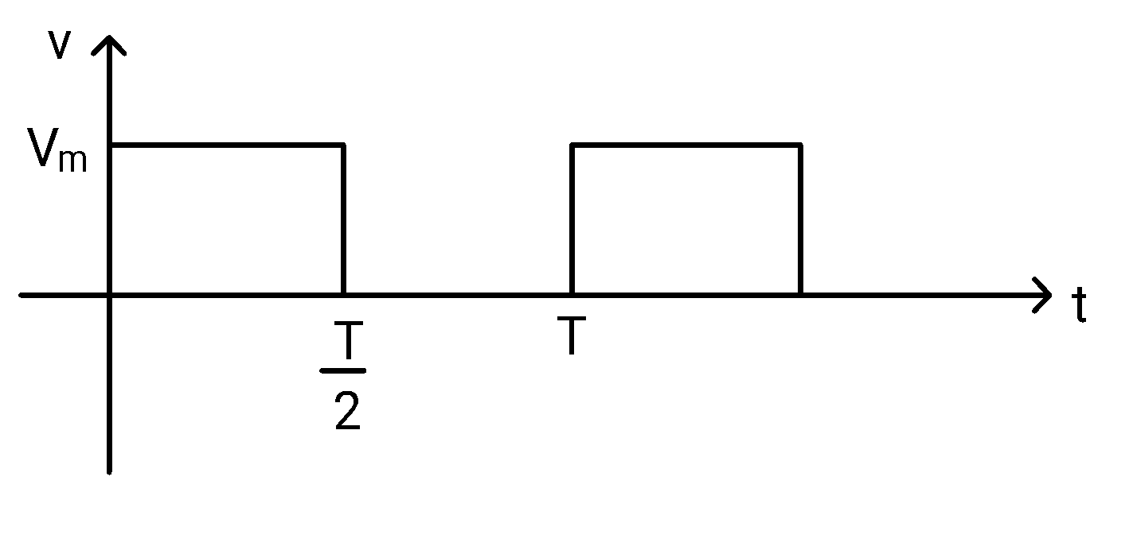 Derive the rms and average value for the waveform. | CO3 | A | 1.3.1 | 10 | N
93 | Derive the rms and average value for the waveform. | CO3 | A | 1.3.1 | 10 | N
94 | Derive the rms and average value for the waveform. | CO3 | A | 1.3.1 | 10 | N
95 | 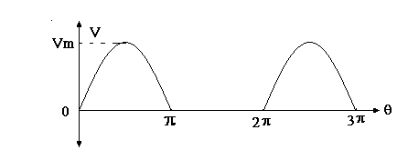 Derive the rms and average value for the waveform. | CO3 | A | 1.3.1 | 10 | N
96 | 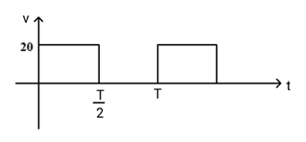 Derive the rms and average value for the waveform.
97 | 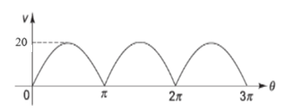 Derive the rms and average value for the waveform
98 | 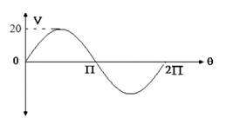 Derive the rms and average value for the waveform.
99 | 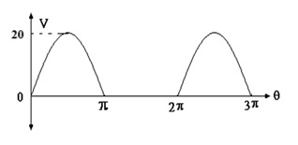 Derive the rms and average value for the waveform.
100 | Derive the rms value, average value, form factor, peak factor for the waveform. | CO3 | A | 1.3.1 | 10 | N
101 | Derive the expression for resonance frequency. | CO4 | R | 1.3.1 | 2 | T
102 | Write all type of power in AC circuit with formulas | CO4 | R | 1.3.1 | 2 | T
103 | A 60-Hz voltage of 115 V (r.m.s.) is impressed on a 100 ohm resistance. Write the time equations for the voltage and the resulting current | CO4 | U | 1.3.1 | 2 | N
104 | A 60-Hz voltage of 230-V effective value is impressed on an inductance of 0.265 H. Write the time equation for the voltage and the resulting current | CO4 | U | 1.3.1 | 2 | N
105 | Draw Impedance Triangle | CO4 | A | 1.3.1 | 2 | T
106 | An alternating voltage of 70 + j50 V is applied to a circuit and the current flowing is 4 – j 2 A. Find the impedance | CO4 | A | 1.3.1 | 2 | N
107 | Draw Voltage triangle | CO4 | A | 1.3.1 | 2 | T
108 | A 60-Hz voltage of 110 V (r.m.s.) is impressed on a 100 ohm resistance. Write the time equations for the voltage and the resulting current | CO4 | U | 1.3.1 | 2 | N
109 | A 60-Hz voltage of 230-V effective value is impressed on an inductance of 0.465 H. Write the time equation for the voltage and the resulting current | CO4 | U | 1.3.1 | 2 | N
110 | Explain the condition of resonance frequency | CO4 | U | 1.3.1 | 2 | T
111 | Draw Power Triangle | CO4 | A | 1.3.1 | 2 | T
112 | An inductive coil having negligible resistance and 0.1 henry inductance is connected across a 200 V, 50 Hz supply. Find (i) inductive reactance, (ii) rms value of current, (iii) power, (iv) power factor, and (v) equations for voltage and current. | CO4 | A | 1.3.1 | 5 | N
113 | A capacitor has a capacitance of 30 microfarads which is connected across a 230 V, 50 Hz supply. Find (i) capacitive reactance, (ii) rms value of current, (iii) power, (iv) power factor, and (v) equation for voltage | CO4 | A | 1.3.1 | 5 | N
114 | An inductive coil having negligible resistance and 0.1 henry inductance is connected across a 200 V, 50 Hz supply. Find (i) inductive reactance, (ii) rms value of current, (iii) power, (iv) power factor, and (v) equations for voltage and current | CO4 | A | 1.3.1 | 5 | N
115 | An alternating voltage of 80 + j60 V is applied to a circuit and the current flowing is 4 – j 2 A. Find the (i) impedance, (ii) phase angle, (iii) power factor, and (iv) power consumed. | CO4 | A | 1.3.1 | 5 | N
116 | The voltage applied to a circuit is e = 100 sin (wt + 30°) and the current flowing in the circuit is i = 15 sin (wt + 60°). Determine impedance, resistance, reactance, power factor and power | CO4 | A | 1.3.1 | 5 | N
117 | A resistor of 100 ohm is connected in series with a 50-mF capacitor to a 50 Hz, 200 V supply. Find: (i) impedance (ii) current (iii) power factor (iv) phase angle (v) voltage across the resistor and across the capacitor | CO4 | A | 1.3.1 | 5 | N
118 | Draw Power Triangle, Impedance Triangle, Voltage Triangle | CO4 | U | 1.3.1 | 2 | T
119 | A resistor of 100 ohm is connected in series with a 30-mF capacitor to a 50 Hz, 230 V supply. Find: (i) impedance (ii) current (iii) power factor (iv) phase angle (v) voltage across the resistor and across the capacitor | CO4 | A | 1.3.1 | 5 | N
120 | A coil having a resistance of 20 and an inductance of 0.4H is connected across a 100V, 50Hz supply. Calculate the impedance of the coil, reactance of the coil, the current taken and the phase difference between the current and applied voltage. | CO4 | A | 1.3.1 | 5 | N
121 | An inductive coil having negligible resistance and 0.5 henry inductance is connected across a 230 V, 50 Hz supply. Find (i) inductive reactance, (ii) rms value of current, (iii) power, (iv) power factor, and (v) equations for voltage and current | CO4 | A | 1.3.1 | 5 | N
122 | A coil having a resistance of 10 and an inductance of 0.2H is connected across a 100V, 50Hz supply. Calculate the impedance of the coil, reactance of the coil, the current taken and the phase difference between the current and applied voltage. | CO4 | A | 1.3.1 | 5 | N
123 | Draw the phasor diagram for the series circuit shown in Fig below. When the current in the circuit is 2 A. Find the values of V1 and V2 and show these voltages on the phasor diagram | CO4 | A | 1.3.1 | 10 | N
124 | A capacitor of 35uF is connected in series with a variable resistor and is connected across 50 Hz mains. Find the value of resistor for a condition when the voltage across the capacitor is half the supply voltage. | CO4 | A | 1.3.1 | 10 | N
125 | A 250 V, 50 Hz voltage is applied to a coil having a resistance of 5Ω and an inductance of 9.55 H in series with a capacitor C. If the voltage across the coil is 300 V, find the value of C. | CO4 | A | 1.3.1 | 10 | N
126 | A resistor of 20 Ω, inductor of 0.05 H and a capacitor of 50 micro farad are connected in series. A supply voltage 230 V, 50 Hz is connected across the series combination. Calculate the following: (i) impedance, (ii) current drawn by the circuit, (iii) phase difference and power factor, and (iv) active and reactive power consumed by the circuit. | CO4 | A | 1.3.1 | 10 | N
127 | 17. Two impedances, one inductive and the other capacitive, are connected in series across the voltage of 120 ∠30° V and a frequency of 50 Hz. The current flowing in the circuit is 3∠-15°A. If one of the impedances is (10 + j 48.3) Ω, find the other. Also calculate the values of L and C in the impedances. | CO4 | A | 1.3.1 | 10 | N
128 | Draw a vector diagram for the circuit shown in fig.below, indicating terminal voltages V1and V2 and the current. Find the value of (i) current, (ii) V1 and V2, and (iii) power factor. | CO4 | A | 1.3.1 | 10 | N
129 | 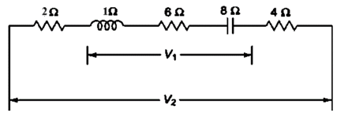 Draw the phasor diagram for the series circuit shown in Fig below. When the current in the circuit is 2 A. Find the values of V1 and V2 and show these voltages on the phasor diagram | CO4 | A | 1.3.1 | 10 | N
130 | 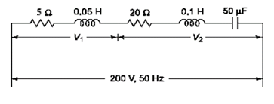 Draw a vector diagram for the circuit shown in fig.below, indicating terminal voltages V1and V2 and the current. Find the value of (i) current, (ii) V1 and V2, and (iii) power factor. | CO4 | A | 1.3.1 | 10 | N
131 | A resistor of 10 Ω, inductor of 0.01 H and a capacitor of 50 micro farad are connected in series. A supply voltage 230 V, 50 Hz is connected across the series combination. Calculate the following: (i) impedance, (ii) current drawn by the circuit, (iii) phase difference and power factor, and (iv) active and reactive power consumed by the circuit. | CO4 | A | 1.3.1 | 10 | N
132 | An R-L-C series circuit with a resistance of 20Ω, inductance of 0.1 H and a capacitance of 30 μF is supplied with a 100 V supply at variable frequency. Find the following w.r.t. the series resonant circuit: (i) frequency at which resonance takes place (ii) current (iii) power (iv) power factor (v) voltage across R-L-C at that time (vi) quality factor | CO4 | A | 1.3.1 | 10 | N
133 | An R-L-C series circuit with a resistance of 10Ω, inductance of 0.2 H and a capacitance of 40 μF is supplied with a 100 V supply at variable frequency. Find the following w.r.t. the series resonant circuit: (i) frequency at which resonance takes place (ii) current (iii) power (iv) power factor (v) voltage across R-L-C at that time (vi) quality factor | CO4 | A | 1.3.1 | 10 | N
134 | State the four properties of an ideal Transformer. | CO5 | R | 1.6.1 | 2 | T
135 | Find the synchronous speed of induction motor with 4 poles and 50Hz frequency. | CO5 | U | 1.6.1 | 2 | N
136 | Draw the no load phasor diagram for practical transformer. | CO5 | R | 1.6.1 | 2 | T
137 | Draw the no load phasor diagram for ideal transformer. | CO5 | R | 1.6.1 | 2 | T
138 | State the four properties of Practical Transformer. | CO5 | U | 2.1.3 | 2 | T
139 | What are the types of iron losses | CO5 | U | 2.1.3 | 2 | T
140 | Define Synchronous speed | CO5 | U | 2.1.3 | 2 | T
141 | Write formulae for efficiency of transformer | CO5 | U | 2.1.3 | 2 | T
142 | Write four applications of 3phase induction motor | CO5 | U | 2.1.3 | 2 | T
143 | Can transformer work on DC? Justify the answer | CO5 | U | 2.1.3 | 2 | T
144 | What are the different types of losses in transformer? | CO5 | R | 1.6.1 | 2 | T
145 | Find the number of poles of three phase induction motor when synchronous speed is 750 rpm with 50Hz frequency. | CO5 | A | 2.1.3 | 2 | N
146 | The no load current of a transformer is 10 A at a pf of 0.25 lagging, when connected to 400V, 50 Hz supply. Calculate, (1) magnetizing current, (ii) iron loss, (iii) maximum value of flux. Assume primary winding turns as 500. | CO5 | A | 1.4.1 | 5 | N
147 | The no-load current of transformer is 4.0 A at 0.25 p.f. when supplied at 250 V, 50 Hz. The number of turns on the primary winding is 200. Calculate i) The r.m.s. value of flux in the core ii) core loss iii) magnetizing current | CO5 | A | 1.4.1 | 5 | N
148 | A 40 kVA, 3300/240 V, 50 Hz, 1-ø transformer has 660 turns on the primary. Determine (i) the number of turns on the secondary (ii) the maximum value of flux in the core when frequency is 50 Hz (iii) the maximum value of flux in the core when frequency is less than 50 Hz or higher than 50 Hz (iv) the approximate value of primary and secondary full load current. (v) write your observation for higher frequency range from rated value. Internal drops in the windings are to be ignored. | CO5 | A | 1.4.1 | 5 | N
149 | A 1-Φ transformer has 350 primary & 1050 secondary turns. The net cross-sectional area of the core is 55 cm2. If the primary winding be connected to a 400 V, 50 Hz 1-Φ supply, calculate (i) maximum value of flux density in the core, and (ii) the voltage induced in the secondary winding. | CO5 | A | 1.4.1 | 5 | N
150 | A 40 kVA, 3300/240 V, 50 Hz, 1 phase transformer has 660 turns on the primary. Determine: (i) The number of turns on the secondary, (ii) The maximum value of flux in the core (iii) The approximate value of primary and secondary full load currents. Internal drops in the windings are to be ignored. | CO5 | A | 1.4.1 | 5 | N
151 | Draw and explain the equivalent circuit of transformer. Also explain the equivalent circuit referred to primary side. | CO5 | U | 1.4.1 | 5 | T
152 | Explain the open circuit test of Transformer. | CO5 | A | 1.4.1 | 5 | T
153 | Explain the short circuit test of Transformer. | CO5 | A | 1.4.1 | 5 | T
154 | Derive the expression for emf equation of transformer | CO5 | A | 1.4.1 | 5 | T
155 | Draw Core and Shell type of transformer | CO5 | A | 1.4.1 | 5 | T
156 | Explain the construction and types of 3 phase Induction motor. | CO5 | U | 1.4.1 | 5 | T
157 | Explain the open circuit and short circuit test of Transformer. | CO5 | A | 1.4.1 | 10 | T
158 | A 50 kVA, 4400/220 V transformer has R1 = 3.45 Ω, R2 = 0.009 Ω. The reactances are X1 = 4.2 Ω and X2 = 0.015 Ω. Calculate for the transformer (i) Full load currents on primary and secondary side (ii) Equivalent resistances, reactance, impedances referred to primary & secondary side. (iii) Total copper loss using individual resistance and equivalent resistances. | CO5 | A | 1.4.1 | 10 | N
159 | A 30kVA, 2400/120 -V, 50 Hz transformer has a high voltage winding resistance of 0.1Ω and a leakage reactance of 0.22 Ω. The low voltage winding resistance is 0.035 Ω and the leakage reactance is 0.012 Ω. Find the equivalent winding resistance, reactance and impedance referred to the (i) HV side and (ii) LV side. | CO5 | A | 1.4.1 | 10 | N
160 | Explain the working of 3 phase Induction Motor. Write 4 applications of 3-phase induction motor. | CO5 | A | 1.4.1 | 10 | N
161 | The O.C & S.C test data are given below for a 1-Φ, 5 kVA, 200V/400V, and 50Hz transformer. O.C test from LV side: 200V 1.25A 150W S.C test from HV side: 20V 12.5A 175W Draw the equivalent circuit of the transformer (i) referred to LV side and (ii) referred to HV side inserting all the parameter values. | CO5 | A | 1.4.1 | 10 | N
162 | A single phase, 50 kVA, 2400/120 V, 50 Hz transformer gave the following results O.C test (L.V side) 120 V 9.65 A 396 W S.C test (H.V side) 92 V 20.8 A 810 W Calculate: a) Equivalent circuit constant b) Draw equivalent circuit referred to primary side c) The efficiency when rated KVA is delivered to a load having a pf of 0.8 lagging | CO5 | A | 1.4.1 | 10 | N
163 | Which type of losses are determined by OC & SC test on transformer. A 250 kVA, 1-Φ transformer has 98.135% efficiency at full load and 97.751 % efficiency at half load. Calculate half load and full load copper loss at 0.8 lagging pf. Also determine maximum efficiency, when 0.8 pf lagging | CO5 | A | 1.4.1 | 10 | N
164 | The efficiency of 400 kVA, 1-phase transformer is 98.77% delivering F.L at 0.8 pf and 99.13% at half load at Unity power factor. Calculate half load and full load copper loss at 0.8 lagging pf. Determine maximum efficiency at 0.8 power factor. | CO5 | A | 1.4.1 | 10 | N
165 | In a 25 kVA, 2000/200 V transformer, the iron and copper losses are 350 w & 400 W respectively. Calculate the efficiency on unity power factor at (i) full load, (ii) half load, and (iii) determine the load for maximum efficiency and the iron & copper loss in this case | CO5 | A | 1.4.1 | 10 | N
166 | A transformer is subjected to a short circuit test, and the following data is obtained: Voltage applied on the primary side: 500 V Current on the primary side: 9.1 A Power consumed: 700 W 1. Discuss the procedure for conducting a short circuit test on a transformer. 2. Identify the key parameters recorded during the test and their importance in analyzing transformer performance. 3. Based on the provided test data, calculate the copper losses and equivalent impedance of the transformer. | CO5 | A | 1.4.1 | 10 | N
167 | How rotating magnetic field is produced in 3 phase Induction Motor. What are the different applications of 3phase Induction motor? | CO5 | U | 1.4.1 | 10 | T
168 | What are the different types of Choppers? | CO6 | R | 1.3.1 | 2 | T
169 | List various applications of inverters. | CO6 | R | 1.3.1 | 2 | T
170 | What do you mean by Rectifier and Inverter? | CO6 | R | 1.3.1 | 2 | T
171 | What do you mean by Buck converter and Boost converter | CO6 | R | 1.3.1 | 2 | T
172 | Why gate current is required in SCR. | CO6 | R | 1.3.1 | 2 | T
173 | Define the latching current of SCR. | CO6 | R | 1.3.1 | 2 | T
174 | Give the classification of all types of converters | CO6 | R | 1.3.1 | 2 | T
175 | How does an inverter differ from a rectifier? | CO6 | U | 1.3.1 | 2 | T
176 | Define the firing angle in rectifier circuits. | CO6 | U | 1.3.1 | 2 | T
177 | State two advantages of using thyristors over diodes. | CO6 | U | 1.3.1 | 2 | T
178 | Define the holding current of SCR. | CO6 | U | 1.3.1 | 2 | T
179 | Describe the operation of a single-phase full-wave bridge inverter. | CO6 | U | 1.3.1 | 5 | T
180 | Explain the working of a single-phase full-wave bridge controlled rectifier. | CO6 | U | 1.3.1 | 5 | T
181 | Explain the contruction of SCR. Draw the symbol and write its applications. | CO6 | U | 1.3.1 | 5 | T
182 | Draw the V-I characteristics of SCR. | CO6 | R | 1.3.1 | 5 | T
183 | Explain Forward Blocking Mode and Forward Conduction Mode of SCR | CO6 | U | 1.3.1 | 5 | T
184 | Draw and expalin the Reverse Blocking mode of SCR | CO6 | U | 1.3.1 | 5 | T
185 | What are the key differences between half-bridge and full-bridge inverters? | CO6 | U | 1.3.1 | 5 | T
186 | Describe the significance of duty cycle and its role in regulating chopper output. | CO6 | U | 1.3.1 | 5 | T
187 | How is an SCR triggered and turned off? Provide a detailed explanation. | CO6 | U | 1.3.1 | 5 | T
188 | Discuss the applications of power electronics in renewable energy systems. | CO6 | U | 1.3.1 | 5 | T
189 | Draw the circuit diagram of step-up and step-down chopper. | CO6 | U | 1.3.1 | 5 | T
190 | Describe the working of a single phase full-wave bridge rectifier with the help of circuit diagrams and waveforms. | CO6 | U | 1.3.1 | 10 | T
191 | Explain the operation of single-phase full bridge inverter. Draw the suitable waveform and the required circuit diagram Give four applications of it. | CO6 | U | 1.3.1 | 10 | T
192 | Illustrate and explain the characteristics of an SCR (Silicon Controlled Rectifier) in detail. Explain each region of operation. | CO6 | U | 1.3.1 | 10 | T
193 | Illustrate the Step down Chopper circuit. Provide a detailed explanation of its working and derive the expression for the output voltage in terms of the duty cycle. | CO6 | U | 1.3.1 | 10 | T
194 | Illustrate the Step up Chopper circuit. Provide a detailed explanation of its working and derive the expression for the output voltage in terms of the duty cycle. | CO6 | U | 1.3.1 | 10 | T
195 | Compare buck and boost converters with relevant equations. | CO6 | U | 1.3.1 | 10 | T
196 | Derive the formula for average load voltage in a full-wave rectifier. | CO6 | U | 1.3.1 | 10 | T
197 | Draw the circuit diagram of a Full-wave rectifier. Sketch the output waveforms when the firing angles are 15°. | CO6 | A | 2.1.3 | 10 | T
198 | Draw the circuit diagram of a Full-wave rectifier. Sketch the output waveforms when the firing angles are 45°. | CO6 | A | 2.1.3 | 10 | T
199 | Draw the circuit diagram of a Full-wave rectifier. Sketch the output waveforms when the firing angles are 60°. | CO6 | A | 2.1.3 | 10 | T
200 | Draw the circuit diagram of a full-wave rectifier. Sketch the output waveforms when the firing angles are 30°. | CO6 | A | 2.1.3 | 10 | T

 | Prepared By:

 | Ms. Sonali singh
 | Dr. Karuna Nikum
 | Dr. Achala Khanelwal

